Question 1
Question 1

Understanding the Data
a) Are all the values in the data reasonable? Are there missing values?
b) What are the characteristics of employees at Company A? Do these demographics change over time?
Use tables and charts to understand the data and demographic characteristics of employees at Company A.

I use R as my coding language.
```{r}
library("readr")
require("readxl")
library("dplyr")
library("ggplot2")
```
```{r}
data_original <- read_excel("/Users/MichaelMiao/Documents/career/Acumen_Data_Analysis_Exercise.xlsx", sheet = "Data")
attach(data_original)
#View(data_original)
par(mfrow=c(2,5))
for (i in 1:length(data_original)) {
boxplot(data_original[,i], main=names(data_original[i]), type="l")

}

# so there might be unreasonable variables in Age, Health Score
detach(data_original)
dataNEW1 <- subset(data_original,`Health Score` >=0 & `Health Score` <=6)
range(data_original$Age)
dataNEW2 <- subset(dataNEW1, dataNEW1$Age >= 18 & dataNEW1$Age <= 63 )
summary(dataNEW2)
dataNEW2 <- na.omit(dataNEW2)
colSums(is.na(dataNEW2))
# filter out the observations that is not in correct score range 0:6, some of them 10!
# filter out the observations that the employ is beyond age 18 or over 62.
# dataNEW2 becomes the new data

# we could see there are 1973 missing values for the varible "Racec" at our new dataNEW2.
#z we could remove them or impuate with other numbers or NULL.
quartermeanhealth <- aggregate(dataNEW2$`Health Score`,by = list(dataNEW2$Quarter), FUN = mean)
quartermeanhealth <- as.data.frame(quartermeanhealth)
colnames(quartermeanhealth) <- c("Quarter","QuarterMeanHealthScore")
quartermeanhealth
summary(dataNEW2)
ggplot(quartermeanhealth,aes(x=quartermeanhealth$Quarter,y=quartermeanhealth$QuarterMean))+geom_point(size=2)+geom_smooth(method = lm)

saqmean <- aggregate(dataNEW2$Salary, by = list(dataNEW2$Quarter), FUN = mean) %>% as.data.frame()
colnames(saqmean) <- c("Quarter", "QuarterMeanSalaries")
saqmean

# We can see as the time goes by, which is when quaretr goes from 1 to 12, the salaries increases and the values of health score increasesmeaning becoming unhealthy based on the means from each quarters as we calculated above.

```

1st Qu.:26.31 1st Qu.:0.0000 1st Qu.:44538 1st Qu.:2.3047
Median :28.53 Median :0.0000 Median :48178 Median :3.0200
Mean :30.45 Mean :0.1082 Mean :48269 Mean :3.1436
3rd Qu.:32.34 3rd Qu.:0.0000 3rd Qu.:51924 3rd Qu.:3.8816
Max. :61.85 Max. :1.0000 Max. :68826 Max. :5.9981

Observation Number Quarter
0 0
Employee Id Sex (Male=1)
0 0
Race Age
0 0
Hospital Visit This Quarter (1=Yes) Salary
0 0
Health Score
0
Observation Number Quarter Employee Id Sex (Male=1) Race
Min. : 1 Min. : 1.000 Min. : 1.0 Min. :0.0000 Min. :1.0
1st Qu.: 4900 1st Qu.: 5.000 1st Qu.: 510.2 1st Qu.:0.0000 1st Qu.:1.0
Median : 9576 Median : 8.000 Median : 998.0 Median :1.0000 Median :1.0
Mean : 9538 Mean : 7.331 Mean : 996.4 Mean :0.5062 Mean :1.6
3rd Qu.:14223 3rd Qu.:10.000 3rd Qu.:1487.0 3rd Qu.:1.0000 3rd Qu.:2.0
Max. :19031 Max. :12.000 Max. :1993.0 Max. :1.0000 Max. :3.0
Age Hospital Visit This Quarter (1=Yes) Salary Health Score
Min. :18.00 Min. :0.0000 Min. :28351 Min. :0.6266
1st Qu.:26.29 1st Qu.:0.0000 1st Qu.:44630 1st Qu.:2.3062
Median :28.53 Median :0.0000 Median :48328 Median :3.0283
Mean :30.41 Mean :0.1081 Mean :48399 Mean :3.1482
3rd Qu.:32.33 3rd Qu.:0.0000 3rd Qu.:52090 3rd Qu.:3.8908
Max. :61.85 Max. :1.0000 Max. :68826 Max. :5.9981

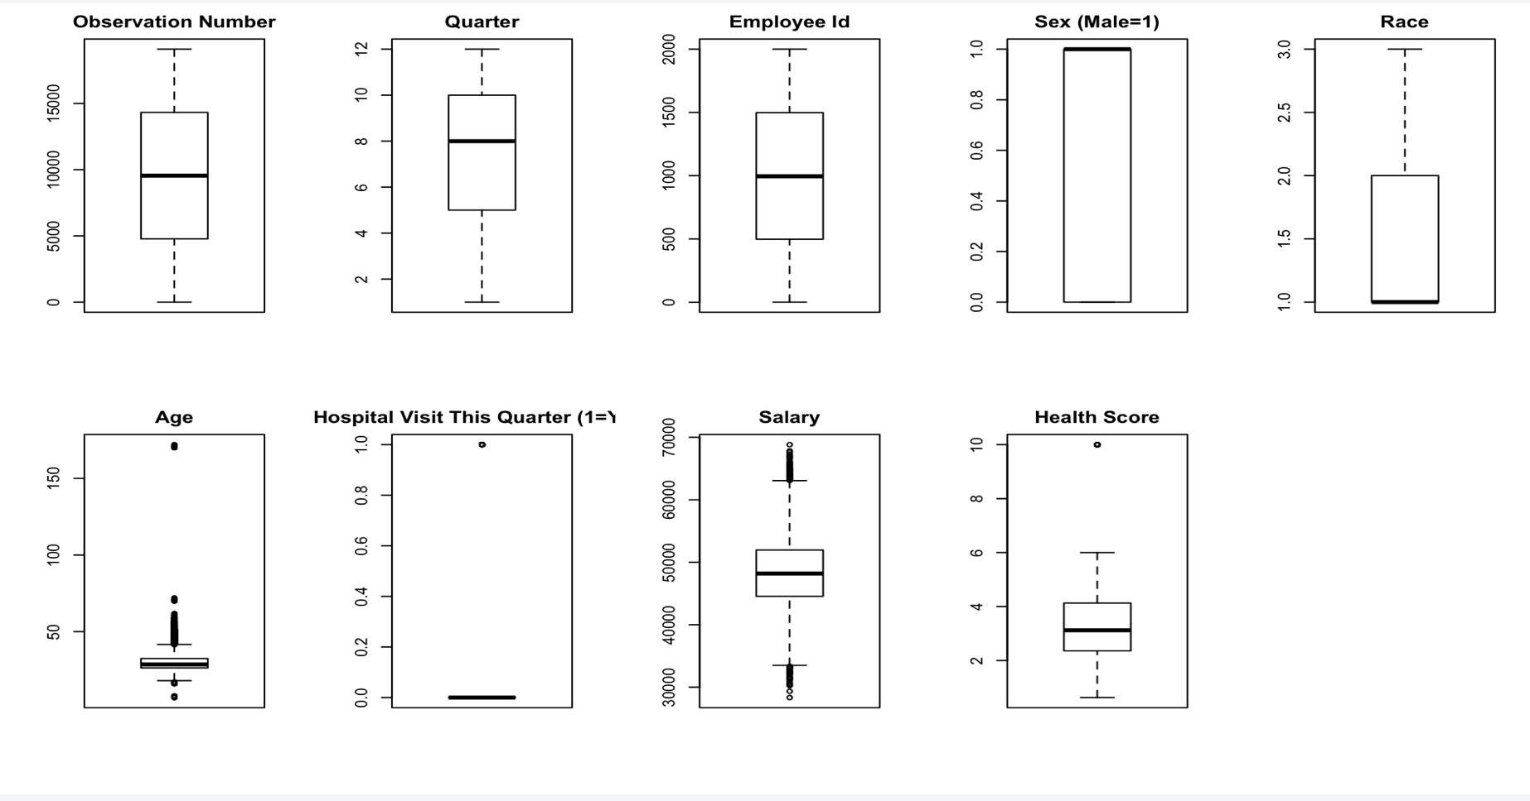

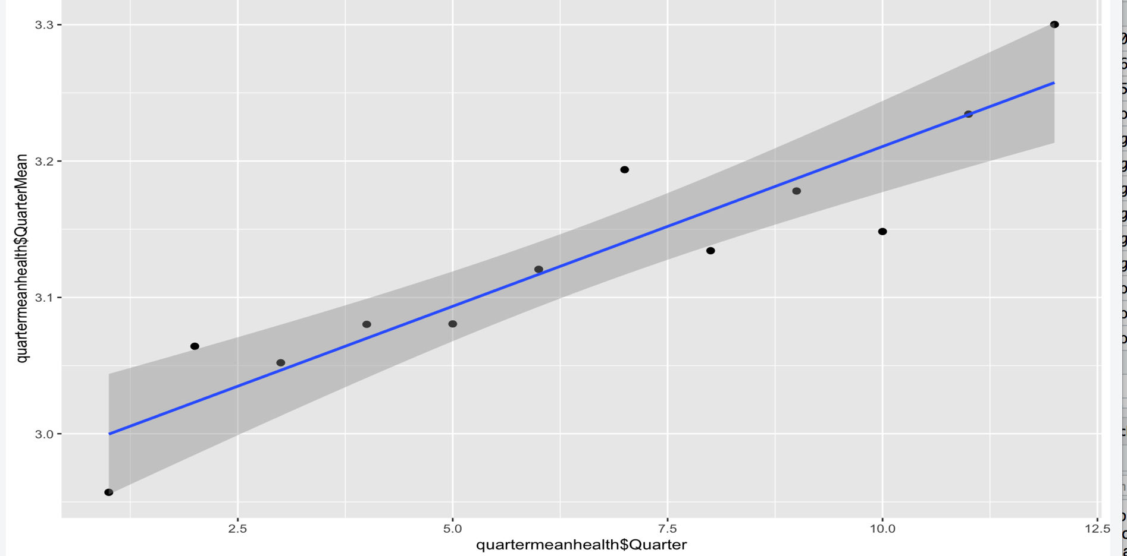

The anwser: I use R language for this dataset. I first load some packages that will be used for datamanipulation and later coding. First I load the excel sheet "Data" into my environment and I start to inspect the data and check information on it before I really take a step.

a. Not all the variables are reasonable. For example, I check the range of all varibles and graph the boxplots as shown above. You may see the some of the obersvations have age smaller than 18 for a legal working age limit and there are even ages beyond 62 for retirement age in CA, and some even go beyond 100 years old. Also, some of the health scores exceeds the range 0-6 which violates prompt. And by using the the colSums and is.na function I get that there are missing values, represent as NA in R for the Race variable. I would consider get rid of the rows that contain unreasonable variable values and consider replace or just remove the rows with NAs if missing values takes relativily small percentage of the entire dataset.

b. We could see some characters such as age, sex, race, salary, quarter(similar to time),hopitable visits. And the demographcis decreases, wich means less people when time goes by, I find the salary and healthscaore means group by quarters, which means as time goes by, the salary of an employee is increased, but the health score value goes larger meaning becoming sicker. The demographcis could be inspect by seeing the we have less than 24,000 oberservations and the some id does not appear again when quarters go up(people leaving).

Question 2
Question 2

Evaluating the Claim
a) Which characteristics are associated with the health score?
Use tables and charts (suggestion: scatter plots for continuous variables) to determine which characteristics are associated with the health score.

datapair <- dataNEW2[sample(nrow(dataNEW2),80),] %>% as.data.frame()
pairs(datapair)
colSums(is.na(dataNEW2))
dim(dataNEW2)
dataNEW2$`Sex (Male=1)` <- as.factor(dataNEW2$`Sex (Male=1)`)
dataNEW2$Race <- as.factor(dataNEW2$Race)
dataNEW2$`Hospital Visit This Quarter (1=Yes)` <- as.factor(dataNEW2$`Hospital Visit This Quarter (1=Yes)`)
str(dataNEW2)
model1 <- lm(data = dataNEW2,formula = dataNEW2$`Health Score` ~ dataNEW2$Quarter+dataNEW2$Age+dataNEW2$Salary+dataNEW2$`Sex (Male=1)`+dataNEW2$Race+dataNEW2$`Hospital Visit This Quarter (1=Yes)`)
summary(model1)

# Based on the plot Age, SEX, RACE, HOSPITAL VISITS matters with HEALTH SCORE.

model2 <- lm(dataNEW2$`Health Score`~ dataNEW2$Age+dataNEW2$`Sex (Male=1)`+dataNEW2$Race+dataNEW2$`Hospital Visit This Quarter (1=Yes)`)
summary(model2)
par(mfrow=c(2,2))
plot(model2)
# follow the model assumption.

plotage <- plot(dataNEW2$Age,dataNEW2$`Health Score`)
plotage
abline(model2)
plot(dataNEW2$Quarter,dataNEW2$`Health Score`)
```

Observation Number Quarter
0 0
Employee Id Sex (Male=1)
0 0
Race Age
0 0
Hospital Visit This Quarter (1=Yes) Salary
0 0
Health Score
0
[1] 15858 9
Classes ‘tbl_df’, ‘tbl’ and 'data.frame': 15858 obs. of 9 variables:
$ Observation Number : num 1 2 3 4 5 6 7 8 9 10 ...
$ Quarter : num 1 2 3 4 5 6 7 8 9 10 ...
$ Employee Id : num 1 1 1 1 1 1 1 1 1 1 ...
$ Sex (Male=1) : Factor w/ 2 levels "0","1": 1 1 1 1 1 1 1 1 1 1 ...
$ Race : Factor w/ 3 levels "1","2","3": 3 3 3 3 3 3 3 3 3 3 ...
$ Age : num 27.3 27.8 28.1 28.3 28.6 ...
$ Hospital Visit This Quarter (1=Yes): Factor w/ 2 levels "0","1": 1 1 1 1 1 1 1 1 1 1 ...
$ Salary : num 36907 37907 38907 39907 40907 ...
$ Health Score : num 3.7 4.98 4.01 2.34 2.11 ...
- attr(*, "na.action")= 'omit' Named int 66 67 68 69 70 71 72 73 74 75 ...
..- attr(*, "names")= chr "66" "67" "68" "69" ...

Call:
lm(formula = dataNEW2$`Health Score` ~ dataNEW2$Quarter + dataNEW2$Age +
dataNEW2$Salary + dataNEW2$`Sex (Male=1)` + dataNEW2$Race +
dataNEW2$`Hospital Visit This Quarter (1=Yes)`, data = dataNEW2)

Residuals:
Min 1Q Median 3Q Max
-2.1034 -0.8046 -0.1559 0.6660 3.1997

Coefficients:
Estimate Std. Error t value Pr(>|t|)
(Intercept) 1.745e+00 1.065e-01 16.386 < 2e-16 ***
dataNEW2$Quarter 4.296e-03 3.228e-03 1.331 0.18328
dataNEW2$Age 4.362e-02 1.340e-03 32.554 < 2e-16 ***
dataNEW2$Salary -3.348e-06 2.248e-06 -1.489 0.13649
dataNEW2$`Sex (Male=1)`1 3.172e-01 1.991e-02 15.935 < 2e-16 ***
dataNEW2$Race2 -4.501e-02 1.976e-02 -2.278 0.02276 *
dataNEW2$Race3 -7.654e-02 2.423e-02 -3.159 0.00158 **
dataNEW2$`Hospital Visit This Quarter (1=Yes)`1 6.607e-01 2.595e-02 25.459 < 2e-16 ***
---
Signif. codes: 0 ‘***’ 0.001 ‘**’ 0.01 ‘*’ 0.05 ‘.’ 0.1 ‘ ’ 1

Residual standard error: 1.013 on 15850 degrees of freedom
Multiple R-squared: 0.1203, Adjusted R-squared: 0.1199
F-statistic: 309.7 on 7 and 15850 DF, p-value: < 2.2e-16

Call:
lm(formula = dataNEW2$`Health Score` ~ dataNEW2$Age + dataNEW2$`Sex (Male=1)` +
dataNEW2$Race + dataNEW2$`Hospital Visit This Quarter (1=Yes)`)

Residuals:
Min 1Q Median 3Q Max
-2.0924 -0.8065 -0.1534 0.6656 3.1963

Coefficients:
Estimate Std. Error t value Pr(>|t|)
(Intercept) 1.605948 0.041929 38.301 < 2e-16 ***
dataNEW2$Age 0.044031 0.001301 33.852 < 2e-16 ***
dataNEW2$`Sex (Male=1)`1 0.299862 0.016098 18.627 < 2e-16 ***
dataNEW2$Race2 -0.034269 0.018401 -1.862 0.06257 .
dataNEW2$Race3 -0.066131 0.023201 -2.850 0.00437 **
dataNEW2$`Hospital Visit This Quarter (1=Yes)`1 0.661374 0.025911 25.525 < 2e-16 ***
---
Signif. codes: 0 ‘***’ 0.001 ‘**’ 0.01 ‘*’ 0.05 ‘.’ 0.1 ‘ ’ 1

Residual standard error: 1.013 on 15852 degrees of freedom
Multiple R-squared: 0.1202, Adjusted R-squared: 0.1199
F-statistic: 433 on 5 and 15852 DF, p-value: < 2.2e-16

NULL

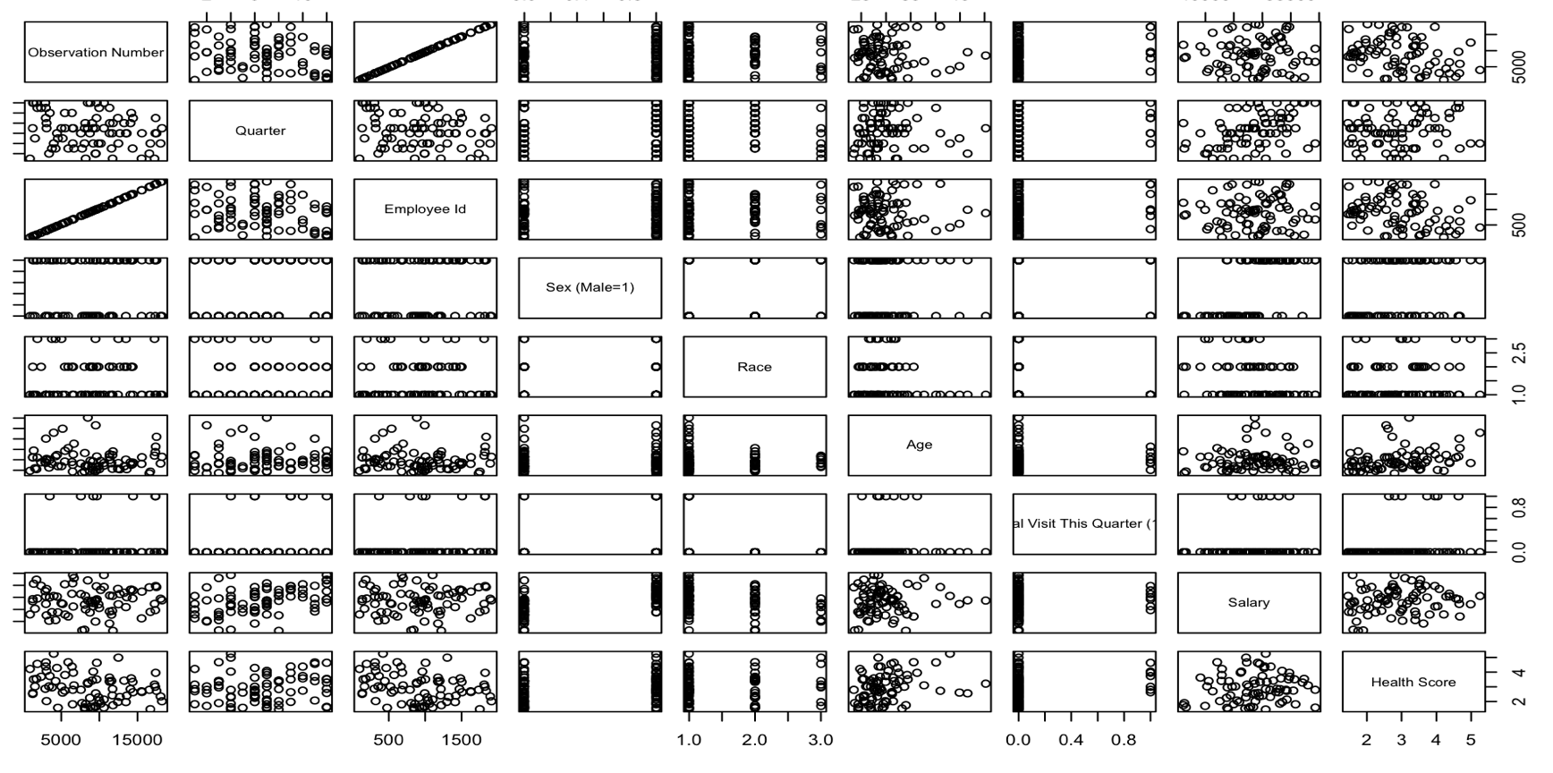

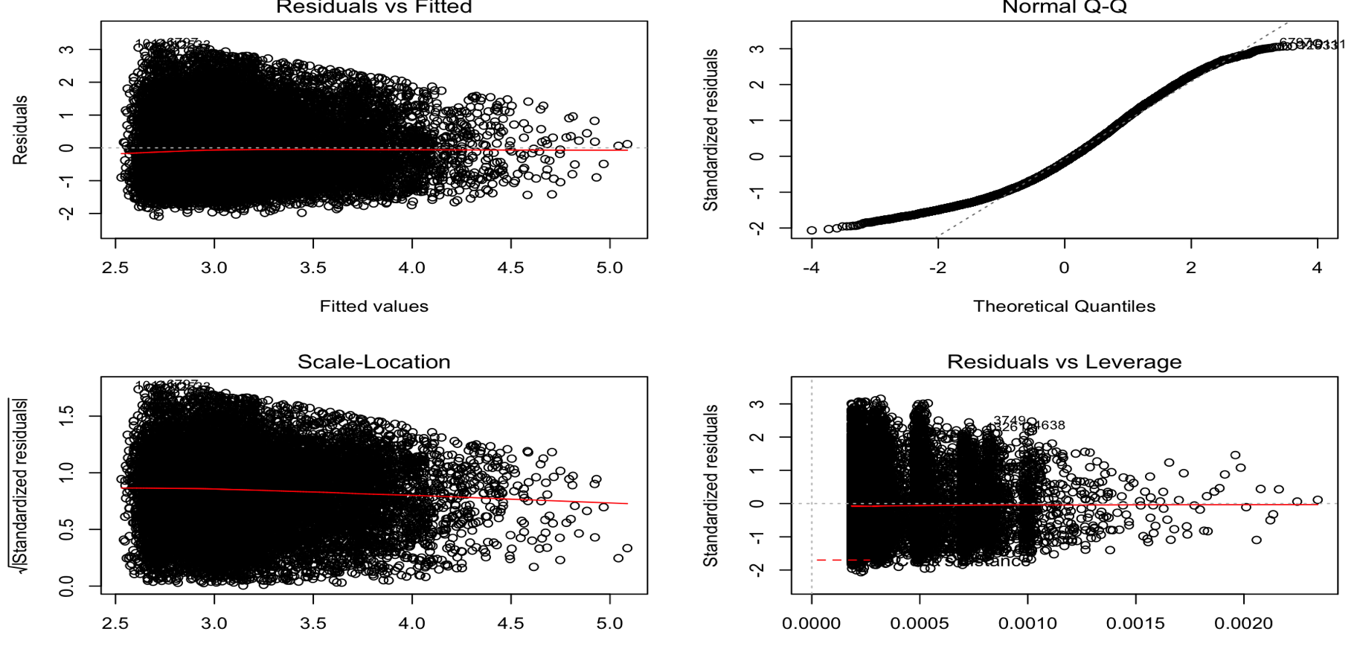

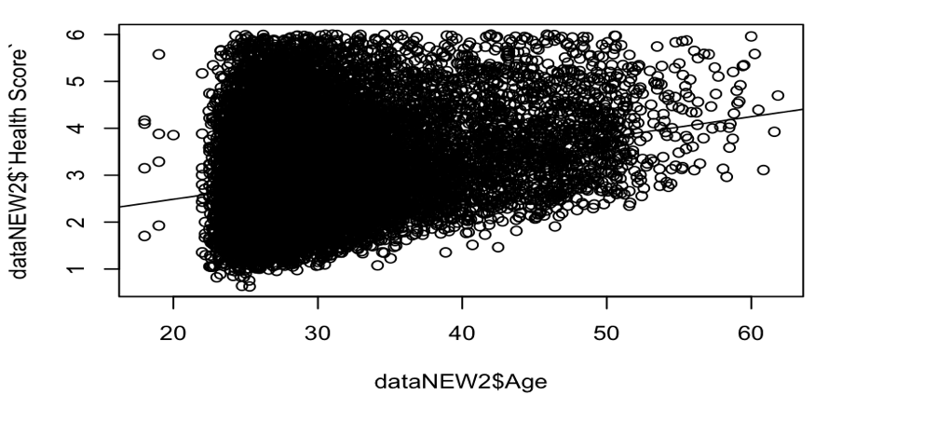

Anwsers: Later on, I remove the rows with unreasonbale observations by subset the dataset with certain limit, for example at an age between 18 - 62(63,64,65,66,67 68... does not matter), and health score between 0 to 6. And I decide to remove the NA values from the Race columns and now there are around 15,000 observations for us but it is large enough for us to get our prediction and regression model.

a. After I clean the dataset, I transform the dataset as dataframe in R and use str() functions to check the type of each columns and change some of the variable : race, sex, hopistal visits or not as factors, they will be the categorical variables in our prediction model. And the rest Age, salary, quarter would be used as continuous variables to see if there are associations of them WRT health score. I then start my model with lm() to use as linear regression model and the categorical variables would be used as factor dummy variables, then I use the summary function to check my model1. I found the variables that are statistically significant to health scores are only: age, race, hopistal visits and sex. Then I set up my second model2 with siginificant variables and check the model assumption with four plots: of which they present constant variance plot, normally distributed QQplot, and flat and constant fitted residal plot, and relatively few outliers and leverage point.

